S2p Scan
 |  |  |  |  |  | Acquisition Parameters :

 |  |  |  |  |  | Parameter
 |  |  |  |  |  | Total acquisition time | 1 mins 44.8 secs
 |  |  |  |  |  | Number of Scans | 16
﻿ |  |  |  |  |  | Source Gun Type | Al K Alpha
Axis | Energy | Elements= | 131 |  |  | Spot Size | 400 µm
 |  |  |  |  |  | Lens Mode | Standard
C:\Users\gwilh\OneDrive - Imperial College London\Documents\MEGAsync\Experiment\24c22_Lin_ShiYang\E P-OH-COOH wiB.DATA\S2p Scan_0.VGD |  |  |  |  |  | Analyser Mode | CAE : Pass Energy 35.0 eV
 |  |  |  |  |  | Energy Step Size | 0.100 eV
 |  |  |  |  |  | Number of Energy Steps | 131

Binding Energy (E) |  |  |  | S2p3 Au-S | S2p1 Au-S | S2p3 Au-S-R | S2p1 Au-S-R | Backgnd. | Envelope | Residuals
eV |  | Counts / s |  | Counts / s | Counts / s | Counts / s | Counts / s | Counts / s | Counts / s | Counts / s (Residuals 6)
170.08 |  | 59592.7 |  | 0 | 0 | 0 | 0 | 59691.5 | 59592.7 | 0
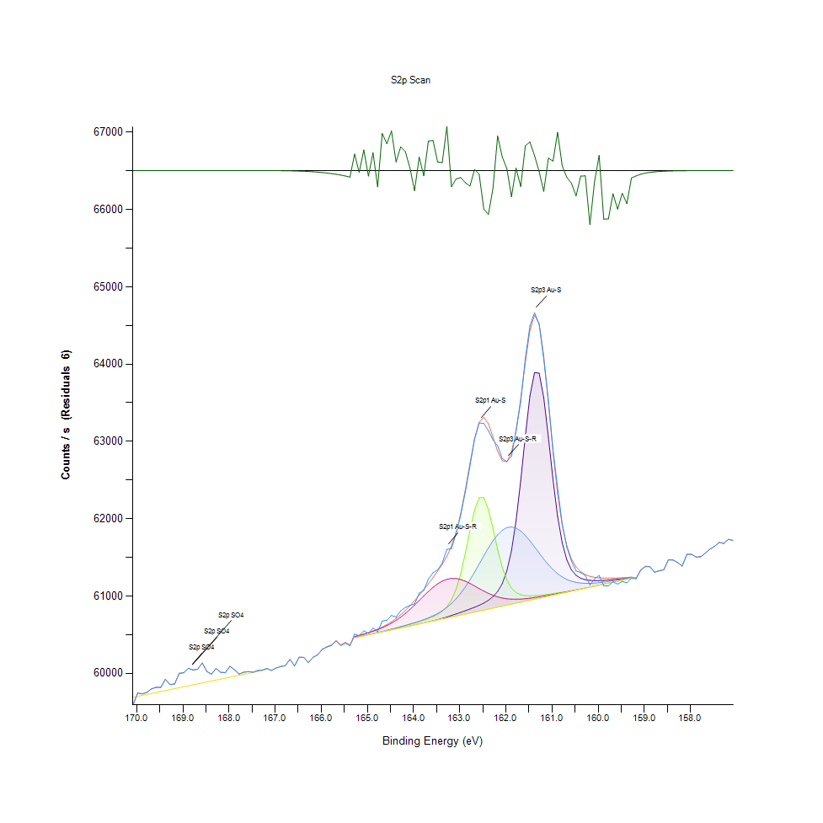
169.98 |  | 59746.6 |  | 0 | 0 | 0 | 0 | 59703.8 | 59746.6 | 0
169.88 |  | 59735.2 |  | 0 | 0 | 0 | 0 | 59716.2 | 59735.2 | 0
169.78 |  | 59755.1 |  | 0 | 0 | 0 | 0 | 59728.6 | 59755.1 | 0
169.68 |  | 59800.4 |  | 0 | 0 | 0 | 0 | 59740.9 | 59800.4 | -1.39E-11
169.58 |  | 59819.8 |  | 0 | 0 | 0 | 0 | 59753.3 | 59819.8 | -4.62E-11
169.48 |  | 59818.6 |  | 0 | 0 | 0 | 0 | 59765.7 | 59818.6 | -1.73E-10
169.38 |  | 59924.3 |  | 0 | 0 | 0 | 0 | 59778 | 59924.3 | -5.38E-10
169.28 |  | 59856.2 |  | 0 | 0 | 0 | 0 | 59790.4 | 59856.2 | -1.74E-09
169.18 |  | 59863.2 |  | 0 | 0 | 0 | 0 | 59802.7 | 59863.2 | -5.41E-09
169.08 |  | 60001.5 |  | 0 | 0 | 0 | 0 | 59815.1 | 60001.5 | -1.62E-08
168.98 |  | 60008.3 |  | 0 | 0 | 0 | 0 | 59827.5 | 60008.3 | -4.70E-08
168.88 |  | 60066.2 |  | 0 | 0 | 0 | 0 | 59839.8 | 60066.2 | -1.32E-07
168.78 |  | 60044.1 |  | 0 | 0 | 0 | 0 | 59852.2 | 60044.1 | -3.61E-07
168.68 |  | 60054.1 |  | 0 | 0 | 0 | 0 | 59864.6 | 60054.1 | -9.54E-07
168.58 |  | 60134.8 |  | 0 | 0 | 0 | 0 | 59876.9 | 60134.8 | -2.45E-06
168.48 |  | 60024.2 |  | 0 | 0 | 0 | 0 | 59889.3 | 60024.2 | -6.09E-06
168.38 |  | 59991.1 |  | 0 | 0 | 0 | 0 | 59901.6 | 59991.1 | -1.47E-05
168.28 |  | 60064 |  | 0 | 0 | 0 | 0 | 59914 | 60064 | -3.44E-05
168.18 |  | 60013.1 |  | 0 | 0 | 0 | 0 | 59926.4 | 60013.1 | -7.81E-05
168.08 |  | 60010.8 |  | 0 | 0 | 0 | 0 | 59938.7 | 60010.8 | -0.000172084
167.98 |  | 60091.4 |  | 0 | 0 | 0 | 0 | 59951.1 | 60091.4 | -0.00036777
167.88 |  | 60046 |  | 0 | 0 | 0 | 0 | 59963.5 | 60046 | -0.00076271
167.78 |  | 59991.8 |  | 0 | 0 | 0 | 0 | 59975.8 | 59991.8 | -0.00153518
167.68 |  | 60015.5 |  | 0 | 0 | 0 | 0 | 59988.2 | 60015.5 | -0.0029995
167.58 |  | 60023.1 |  | 0 | 0 | 0 | 0 | 60000.5 | 60023.1 | -0.00569002
167.48 |  | 60014.6 |  | 0 | 0 | 0 | 0 | 60012.9 | 60014.6 | -0.0104821
167.38 |  | 60036.4 |  | 0 | 0 | 0 | 0 | 60025.3 | 60036.4 | -0.0187569
167.28 |  | 60041.5 |  | 0 | 0 | 0 | 0 | 60037.6 | 60041.5 | -0.0326114
167.18 |  | 60064.2 |  | 0 | 0 | 0 | 0 | 60050 | 60064.3 | -0.055108
167.08 |  | 60037.9 |  | 0 | 0 | 0 | 0 | 0 | 60037.9 | -0.0905424
166.98 |  | 60070 |  | 0 | 0 | 0 | 0 | 0 | 60070.2 | -0.144698
166.88 |  | 60088.7 |  | 0 | 0 | 0 | 0 | 0 | 60088.9 | -0.225036
166.78 |  | 60100.7 |  | 0 | 0 | 0 | 0 | 0 | 60101.1 | -0.34077
166.68 |  | 60180.4 |  | 0 | 0 | 0 | 0 | 0 | 60180.9 | -0.50277
166.58 |  | 60096.9 |  | 0 | 0 | 0 | 0 | 0 | 60097.6 | -0.723269
166.48 |  | 60209.4 |  | 0 | 0 | 0 | 0 | 0 | 60210.4 | -1.01539
166.38 |  | 60205.8 |  | 0 | 0 | 0 | 0 | 0 | 60207.2 | -1.39257
166.28 |  | 60140.2 |  | 0 | 0 | 0 | 0 | 0 | 60142.1 | -1.86797
166.18 |  | 60207 |  | 0 | 0 | 0 | 0 | 0 | 60209.5 | -2.45422
166.08 |  | 60239.3 |  | 0 | 0 | 0 | 0 | 0 | 60242.5 | -3.1635
165.98 |  | 60309.3 |  | 0 | 0 | 0 | 0 | 0 | 60313.3 | -4.00845
165.88 |  | 60340.6 |  | 0 | 0 | 0 | 0 | 0 | 60345.6 | -5.00404
165.78 |  | 60361.6 |  | 0 | 0 | 0 | 0 | 0 | 60367.8 | -6.17051
165.68 |  | 60417.9 |  | 0 | 0 | 0 | 0 | 0 | 60425.4 | -7.53769
165.58 |  | 60359.4 |  | 0 | 0 | 0 | 0 | 0 | 60368.5 | -9.15076
165.48 |  | 60390.8 |  | 0 | 0 | 0 | 0 | 0 | 60401.9 | -11.0775
165.38 |  | 60355.8 |  | 0 | 0 | 0 | 0 | 0 | 60369.2 | -13.4174
165.28 |  | 60509.4 |  | 60459.2 | 60459.2 | 60460.6 | 60474.1 | 60459.2 | 60475.5 | 33.8871
165.18 |  | 60488.1 |  | 60472 | 60472.1 | 60474.1 | 60490 | 60472 | 60492 | -3.90462
165.08 |  | 60551.9 |  | 60484.9 | 60484.9 | 60487.7 | 60506.7 | 60484.9 | 60509.5 | 42.3588
164.98 |  | 60517.2 |  | 60497.7 | 60497.9 | 60501.4 | 60524.7 | 60497.7 | 60528.5 | -11.2931
164.88 |  | 60586 |  | 60510.6 | 60510.9 | 60515.4 | 60544.2 | 60510.6 | 60549.4 | 36.6311
164.78 |  | 60539.6 |  | 60523.4 | 60524.3 | 60529.7 | 60565.8 | 60523.4 | 60573 | -33.4062
164.68 |  | 60676.4 |  | 60536.3 | 60538.2 | 60544.2 | 60590.2 | 60536.3 | 60600.1 | 76.2917
164.58 |  | 60686.8 |  | 60549.1 | 60552.9 | 60558.9 | 60618 | 60549.1 | 60631.6 | 55.1791
164.48 |  | 60749.7 |  | 60562 | 60568.4 | 60573.9 | 60650 | 60562 | 60668.4 | 81.2734
164.38 |  | 60728.7 |  | 60574.8 | 60584.6 | 60589.3 | 60686.7 | 60574.8 | 60711 | 17.7395
164.28 |  | 60808.2 |  | 60587.7 | 60601.3 | 60605.1 | 60728.5 | 60587.7 | 60759.6 | 48.6827
164.18 |  | 60853.1 |  | 60600.5 | 60618.2 | 60621.3 | 60775.7 | 60600.5 | 60814.2 | 38.9328
164.08 |  | 60879.8 |  | 60613.3 | 60635.1 | 60638.2 | 60827.9 | 60613.3 | 60874.5 | 5.26488
163.98 |  | 60898.9 |  | 60626.2 | 60652.3 | 60655.9 | 60884.2 | 60626.2 | 60940.1 | -41.2509
163.88 |  | 61037.9 |  | 60639.1 | 60670.2 | 60674.9 | 60943.2 | 60639 | 61010.3 | 27.6276
163.78 |  | 61073.4 |  | 60652.1 | 60689.2 | 60695.6 | 61002.7 | 60651.9 | 61084 | -10.5986
163.68 |  | 61221.1 |  | 60665.4 | 60710.2 | 60718.6 | 61060.3 | 60664.7 | 61160.4 | 60.6636
163.58 |  | 61300.9 |  | 60679.3 | 60734.5 | 60744.8 | 61113.2 | 60677.6 | 61239.1 | 61.7441
163.48 |  | 61339.1 |  | 60694.3 | 60764.4 | 60775.3 | 61158.5 | 60690.4 | 61321.2 | 17.8474
163.38 |  | 61426.6 |  | 60710.8 | 60804.3 | 60811.2 | 61193.9 | 60703.3 | 61410.3 | 16.2263
163.28 |  | 61604.7 |  | 60728.9 | 60862.2 | 60854 | 61217.5 | 60716.1 | 61514.3 | 90.4393
163.18 |  | 61613.3 |  | 60748.5 | 60951.1 | 60905 | 61228.7 | 60728.9 | 61646.4 | -33.1145
163.08 |  | 61807.7 |  | 60769 | 61088.4 | 60965.5 | 61227.4 | 60741.8 | 61824.9 | -17.2092
162.98 |  | 62051.9 |  | 60789.9 | 61289.1 | 61036.4 | 61214.8 | 60754.6 | 62066.3 | -14.3453
162.88 |  | 62347.5 |  | 60811 | 61553 | 61117.9 | 61192.9 | 60767.5 | 62372.3 | -24.8019
162.78 |  | 62682.5 |  | 60832.6 | 61849.2 | 61209.5 | 61164.2 | 60780.3 | 62714.5 | -31.9068
162.68 |  | 63033.2 |  | 60855.4 | 62114.3 | 61309.3 | 61131.5 | 60793.2 | 63030.9 | 2.23259
162.58 |  | 63239.4 |  | 60880.6 | 62272.4 | 61414.4 | 61097.5 | 60806 | 63246.8 | -7.41463
162.48 |  | 63233 |  | 60909.8 | 62273.1 | 61520.6 | 61064.8 | 60818.9 | 63311.7 | -78.7104
162.38 |  | 63139.2 |  | 60945.4 | 62120.9 | 61622.9 | 61035.2 | 60831.7 | 63229.3 | -90.0846
162.28 |  | 63020.5 |  | 60992.3 | 61872.1 | 61715.7 | 61010 | 60844.6 | 63056.4 | -35.9724
162.18 |  | 62944.1 |  | 61059.1 | 61603 | 61793.5 | 60989.9 | 60857.4 | 62873.2 | 70.8961
162.08 |  | 62778.6 |  | 61161.7 | 61373 | 61851.4 | 60975.1 | 60870.2 | 62750.5 | 28.062
161.98 |  | 62740.2 |  | 61326.2 | 61207.7 | 61886 | 60965.5 | 60883.1 | 62736.2 | 4.08032
161.88 |  | 62805.8 |  | 61587.3 | 61104.3 | 61895.4 | 60960.4 | 60895.9 | 62859.6 | -53.8208
161.78 |  | 63139.9 |  | 61975.2 | 61046.7 | 61880 | 60959.3 | 60908.8 | 63134.8 | 5.10644
161.68 |  | 63512.8 |  | 62489.4 | 61017.8 | 61841.9 | 60961.4 | 60921.6 | 63545.7 | -32.8568
161.58 |  | 64073.2 |  | 63069 | 61005.5 | 61785.3 | 60966.1 | 60934.5 | 64022.5 | 50.7097
161.48 |  | 64493.9 |  | 63587.2 | 61002.3 | 61715 | 60972.7 | 60947.3 | 64435.3 | 58.6534
161.38 |  | 64664.3 |  | 63892.1 | 61004.3 | 61636.8 | 60980.8 | 60960.2 | 64633.5 | 30.7278
161.28 |  | 64516.8 |  | 63882.7 | 61009.3 | 61556.1 | 60990 | 60973 | 64519.1 | -2.23953
161.18 |  | 64060.6 |  | 63566.9 | 61016.2 | 61477.7 | 61000 | 60985.9 | 64103.3 | -42.6545
161.08 |  | 63526.8 |  | 63057.2 | 61024.2 | 61405.6 | 61010.5 | 60998.7 | 63501.4 | 25.4476
160.98 |  | 62887.2 |  | 62505.9 | 61032.7 | 61342.4 | 61021.5 | 61011.5 | 62867.8 | 19.4657
160.88 |  | 62401.1 |  | 62032.4 | 61041.4 | 61289.4 | 61032.7 | 61024.4 | 62322.7 | 78.3772
160.78 |  | 61927.7 |  | 61688.2 | 61050.3 | 61247 | 61044.1 | 61037.2 | 61918 | 9.67733
160.68 |  | 61633.6 |  | 61468 | 61059.3 | 61214.9 | 61055.8 | 61050.1 | 61647.7 | -14.1726
160.58 |  | 61452.9 |  | 61339.3 | 61068.9 | 61191.9 | 61067.5 | 61062.9 | 61479 | -26.0034
160.48 |  | 61324.9 |  | 61268.5 | 61079.2 | 61176.8 | 61079.5 | 61075.8 | 61376.7 | -51.8893
160.38 |  | 61303.9 |  | 61230.9 | 61090.4 | 61168.2 | 61091.5 | 61088.6 | 61315.1 | -11.2332
160.28 |  | 61267 |  | 61211.6 | 61102.2 | 61164.7 | 61103.7 | 61101.5 | 61277.9 | -10.9086
160.18 |  | 61144.8 |  | 61202.7 | 61114.6 | 61165.1 | 61116 | 61114.3 | 61255.5 | -110.768
160.08 |  | 61220.1 |  | 61199.9 | 61127.3 | 61168.5 | 61128.4 | 61127.1 | 61242.6 | -22.5678
159.98 |  | 61267 |  | 61200.8 | 61140 | 61174.1 | 61140.9 | 61140 | 61235.8 | 31.1825
159.88 |  | 61133.1 |  | 61203.8 | 61152.8 | 61181.1 | 61153.5 | 61152.8 | 61232.8 | -99.7406
159.78 |  | 61133 |  | 61208.1 | 61165.7 | 61189.3 | 61166.1 | 61165.7 | 61232.2 | -99.1902
159.68 |  | 61185.3 |  | 61212.7 | 61178.5 | 61198.3 | 61178.8 | 61178.5 | 61232.8 | -47.488
159.58 |  | 61155.1 |  | 61217.5 | 61191.4 | 61207.9 | 61191.6 | 61191.4 | 61234.3 | -79.2365
159.48 |  | 61190.2 |  | 61222.8 | 61204.2 | 61218 | 61204.3 | 61204.2 | 61236.7 | -46.5068
159.38 |  | 61172.6 |  | 61229.1 | 61217.1 | 61228.4 | 61217.1 | 61217.1 | 61240.5 | -67.8648
159.28 |  | 61230.9 |  | 61236.9 | 61229.9 | 61239.2 | 61230 | 61229.9 | 61246.1 | -15.2144
159.18 |  | 61223.3 |  | 0 | 0 | 0 | 0 | 0 | 61234.3 | -10.9912
159.08 |  | 61332.4 |  | 0 | 0 | 0 | 0 | 0 | 61339.9 | -7.45031
158.98 |  | 61381.7 |  | 0 | 0 | 0 | 0 | 0 | 61386.8 | -5.1529
158.88 |  | 61378.5 |  | 0 | 0 | 0 | 0 | 0 | 61382.2 | -3.64754
158.78 |  | 61308 |  | 0 | 0 | 0 | 0 | 0 | 61310.6 | -2.61364
158.68 |  | 61325.9 |  | 0 | 0 | 0 | 0 | 0 | 61327.8 | -1.86751
158.58 |  | 61339.2 |  | 0 | 0 | 0 | 0 | 0 | 61340.5 | -1.31527
158.48 |  | 61468.7 |  | 0 | 0 | 0 | 0 | 0 | 61469.6 | -0.906987
158.38 |  | 61466.4 |  | 0 | 0 | 0 | 0 | 0 | 61467.1 | -0.610377
158.28 |  | 61434.5 |  | 0 | 0 | 0 | 0 | 0 | 61434.9 | -0.400245
158.18 |  | 61388.2 |  | 0 | 0 | 0 | 0 | 0 | 61388.4 | -0.255513
158.08 |  | 61539.2 |  | 0 | 0 | 0 | 0 | 0 | 61539.3 | -0.158712
157.98 |  | 61540.7 |  | 0 | 0 | 0 | 0 | 0 | 61540.8 | -0.0958773
157.88 |  | 61506.2 |  | 0 | 0 | 0 | 0 | 0 | 61506.3 | -0.0563066
157.78 |  | 61507.6 |  | 0 | 0 | 0 | 0 | 0 | 61507.7 | -0.0321361
157.68 |  | 61554.9 |  | 0 | 0 | 0 | 0 | 0 | 61554.9 | -0.0178191
157.58 |  | 61606.6 |  | 0 | 0 | 0 | 0 | 0 | 61606.6 | -0.00959667
157.48 |  | 61643.6 |  | 0 | 0 | 0 | 0 | 0 | 61643.6 | -0.00501877
157.38 |  | 61694.1 |  | 0 | 0 | 0 | 0 | 0 | 61694.1 | -0.00254814
157.28 |  | 61680.9 |  | 0 | 0 | 0 | 0 | 0 | 61680.9 | -0.00125579
157.18 |  | 61733.8 |  | 0 | 0 | 0 | 0 | 0 | 61733.8 | -0.000600634
157.08 |  | 61720.1 |  | 0 | 0 | 0 | 0 | 0 | 61720.1 | -0.000278761

O1s Scan
 |  |  |  |  |  | Acquisition Parameters :

 |  |  |  |  |  | Parameter
 |  |  |  |  |  | Total acquisition time | 18.2 secs
 |  |  |  |  |  | Number of Scans | 3
﻿ |  |  |  |  |  | Source Gun Type | Al K Alpha
Axis | Energy | Elements= | 121 |  |  | Spot Size | 400 µm
 |  |  |  |  |  | Lens Mode | Standard
C:\Users\gwilh\OneDrive - Imperial College London\Documents\MEGAsync\Experiment\24c22_Lin_ShiYang\E P-OH-COOH wiB.DATA\O1s Scan_0.VGD |  |  |  |  |  | Analyser Mode | CAE : Pass Energy 35.0 eV
 |  |  |  |  |  | Energy Step Size | 0.100 eV
 |  |  |  |  |  | Number of Energy Steps | 121

Binding Energy (E) |  |  |  | O1s C=O | O1s H-O-C, SO4, NOx | O1s O-C=O, O-H | Backgnd. | Envelope | Residuals
eV |  | Counts / s |  | Counts / s | Counts / s | Counts / s | Counts / s | Counts / s | Counts / s (Residuals 7)
537.08 |  | 80123.5 |  | 0 | 0 | 0 | 0 | 80134 | -10.5003
536.98 |  | 80129 |  | 0 | 0 | 0 | 0 | 80143.9 | -14.9476
536.88 |  | 80192.6 |  | 0 | 0 | 0 | 0 | 80213.4 | -20.7669
536.78 |  | 80028.5 |  | 0 | 0 | 0 | 0 | 80056.7 | -28.1895
536.68 |  | 80086 |  | 0 | 0 | 0 | 0 | 80123.4 | -37.4352
536.58 |  | 79849.1 |  | 0 | 0 | 0 | 0 | 79897.8 | -48.7091
536.48 |  | 79997.7 |  | 0 | 0 | 0 | 0 | 80060 | -62.2084
536.38 |  | 79985.6 |  | 0 | 0 | 0 | 0 | 80063.7 | -78.1444
536.28 |  | 79972.3 |  | 0 | 0 | 0 | 0 | 80069 | -96.7819
536.18 |  | 79901 |  | 0 | 0 | 0 | 0 | 80019.5 | -118.501
536.08 |  | 79850.6 |  | 79911.1 | 79916.3 | 80049.8 | 79911.1 | 80055 | -204.396
535.98 |  | 80032.3 |  | 79910.5 | 79918.3 | 80076.4 | 79910.5 | 80084.3 | -52.0217
535.88 |  | 79799.5 |  | 79909.9 | 79921.4 | 80107.7 | 79909.8 | 80119.5 | -320.003
535.78 |  | 79939.4 |  | 79909 | 79925.8 | 80145.3 | 79908.9 | 80162.3 | -222.961
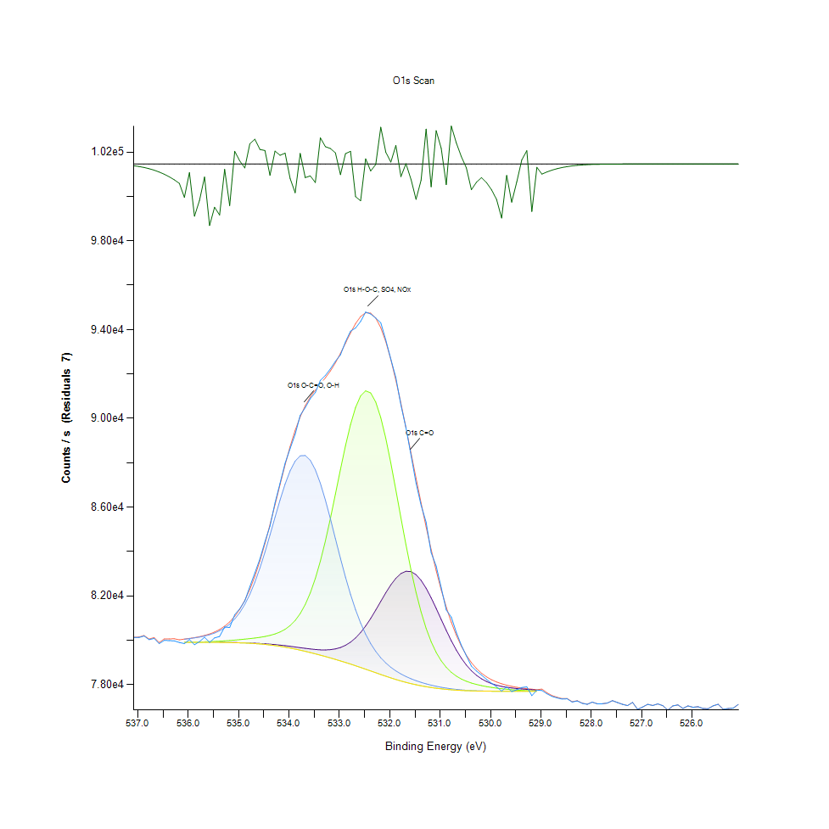
535.68 |  | 80136.5 |  | 79908.2 | 79931.7 | 80191.8 | 79907.9 | 80215.8 | -79.3409
535.58 |  | 79906.6 |  | 79907.3 | 79939.6 | 80250.7 | 79906.9 | 80283.9 | -377.299
535.48 |  | 80106.5 |  | 79906.1 | 79949.5 | 80326.7 | 79905.4 | 80371.5 | -264.965
535.38 |  | 80172.6 |  | 79904.4 | 79961.3 | 80426.1 | 79903.3 | 80485.3 | -312.633
535.28 |  | 80601.7 |  | 79902.5 | 79975.5 | 80557.5 | 79900.7 | 80634.1 | -32.3472
535.18 |  | 80572.5 |  | 79899.6 | 79991.5 | 80730.4 | 79896.9 | 80827.7 | -255.15
535.08 |  | 81156.3 |  | 79895.7 | 80009.4 | 80956.3 | 79891.7 | 81078 | 78.2802
534.98 |  | 81417.4 |  | 79890.8 | 80029.2 | 81247.5 | 79884.9 | 81397.8 | 19.6164
534.88 |  | 81775.4 |  | 79884.6 | 80051 | 81616 | 79876.2 | 81799.3 | -23.9102
534.78 |  | 82417.5 |  | 79876.7 | 80075 | 82071.1 | 79865 | 82292.8 | 124.622
534.68 |  | 83037.6 |  | 79867.1 | 80102.1 | 82618.1 | 79851.2 | 82884.9 | 152.697
534.58 |  | 83665.5 |  | 79855.5 | 80133.6 | 83255.2 | 79834.3 | 83575.6 | 89.9418
534.48 |  | 84439.8 |  | 79841.5 | 80171.9 | 83971.4 | 79814 | 84356.7 | 83.0775
534.38 |  | 85141.8 |  | 79824.8 | 80220.7 | 84745.1 | 79789.8 | 85210.9 | -69.055
534.28 |  | 86190.9 |  | 79805.2 | 80285.2 | 85543.7 | 79761.5 | 86111.2 | 79.6178
534.18 |  | 87077.3 |  | 79782.6 | 80373.1 | 86325.1 | 79728.7 | 87023.5 | 53.8517
534.08 |  | 87976.6 |  | 79757.1 | 80494.7 | 87040.7 | 79691.5 | 87909.5 | 67.177
533.98 |  | 88642.8 |  | 79729 | 80662.8 | 87640 | 79650 | 88731.7 | -88.9101
533.88 |  | 89283 |  | 79698.8 | 80892.9 | 88076.2 | 79604.4 | 89459.2 | -176.245
533.78 |  | 90138.4 |  | 79667.8 | 81203 | 88312.4 | 79555.1 | 90073 | 65.4165
533.68 |  | 90486.3 |  | 79637.3 | 81611.3 | 88326.3 | 79502.7 | 90569.4 | -83.1334
533.58 |  | 90888.8 |  | 79609.1 | 82134.8 | 88112.6 | 79447.5 | 90961.4 | -72.6479
533.48 |  | 91163.2 |  | 79585.3 | 82786 | 87684.4 | 79389.7 | 91276.4 | -113.191
533.38 |  | 91713.5 |  | 79569.4 | 83570.4 | 87071.8 | 79329.7 | 91552.2 | 161.304
533.28 |  | 91935.2 |  | 79565.1 | 84482 | 86316.8 | 79267.8 | 91828.4 | 106.776
533.18 |  | 92234.4 |  | 79577.2 | 85500.9 | 85468.7 | 79203.8 | 92139.1 | 95.2962
533.08 |  | 92573.6 |  | 79611.6 | 86591.4 | 84577.6 | 79137.9 | 92504.9 | 68.6953
532.98 |  | 92862.6 |  | 79674.9 | 87702.7 | 83690.1 | 79069.9 | 92927.8 | -65.2321
532.88 |  | 93453.7 |  | 79774 | 88770.9 | 82844 | 78999.6 | 93389.6 | 64.1408
532.78 |  | 93932.2 |  | 79916 | 89725.1 | 82067.2 | 78927.2 | 93853.9 | 78.2936
532.68 |  | 94071.8 |  | 80106.7 | 90494.1 | 81376.4 | 78852.6 | 94272.1 | -200.31
532.58 |  | 94365.1 |  | 80349.3 | 91014.7 | 80778.1 | 78775.7 | 94590.5 | -225.355
532.48 |  | 94792.8 |  | 80643.5 | 91240.4 | 80271.1 | 78697.3 | 94760.4 | 32.359
532.38 |  | 94702.1 |  | 80984.3 | 91147.2 | 79848.5 | 78617.9 | 94744.3 | -42.188
532.28 |  | 94518.1 |  | 81360.1 | 90736.6 | 79499.6 | 78537.9 | 94520.6 | -2.53484
532.18 |  | 94312.5 |  | 81753.6 | 90036.5 | 79213 | 78458.3 | 94086.3 | 226.146
532.08 |  | 93527.8 |  | 82142.2 | 89096.8 | 78977.5 | 78380.6 | 93455.3 | 72.4344
531.98 |  | 92666 |  | 82499 | 87982.5 | 78782.8 | 78305.3 | 92653.6 | 12.3291
531.88 |  | 91829.7 |  | 82796 | 86766.1 | 78620.4 | 78233.6 | 91715.3 | 114.392
531.78 |  | 90600.1 |  | 83007.2 | 85519.2 | 78483.6 | 78166.3 | 90677.4 | -77.2392
531.68 |  | 89577.6 |  | 83111.5 | 84304.8 | 78366.9 | 78103.9 | 89575.4 | 2.24674
531.58 |  | 88348 |  | 83095.9 | 83173.1 | 78266.4 | 78046.8 | 88441.7 | -93.6913
531.48 |  | 87087.9 |  | 82957 | 82158.4 | 78179.2 | 77995.2 | 87304.3 | -216.427
531.38 |  | 86087.1 |  | 82701.7 | 81279 | 78102.8 | 77948.6 | 86186.3 | -99.2276
531.28 |  | 85322.6 |  | 82347 | 80540.2 | 78036 | 77907.4 | 85108.3 | 214.311
531.18 |  | 83947.5 |  | 81915.9 | 79935.8 | 77977.5 | 77871.1 | 84087.1 | -139.599
531.08 |  | 83341.9 |  | 81436.5 | 79452.6 | 77926.3 | 77839.3 | 83136.9 | 204.964
530.98 |  | 82366.2 |  | 80937.5 | 79074 | 77882.3 | 77812 | 82269.7 | 96.5413
530.88 |  | 81366.9 |  | 80445.1 | 78781.5 | 77844.8 | 77789 | 81493.3 | -126.432
530.78 |  | 81045.4 |  | 79980.7 | 78557.2 | 77812.9 | 77769.4 | 80812 | 233.374
530.68 |  | 80355.7 |  | 79560.3 | 78386.1 | 77786.5 | 77753.3 | 80226.3 | 129.37
530.58 |  | 79778.8 |  | 79193.2 | 78255 | 77765 | 77740.2 | 79732.9 | 45.9645
530.48 |  | 79301.2 |  | 78882.7 | 78153.5 | 77747.7 | 77729.6 | 79324.7 | -23.478
530.38 |  | 78835.7 |  | 78627.8 | 78073.7 | 77734.2 | 77721.3 | 78993.2 | -157.418
530.28 |  | 78616 |  | 78423.8 | 78009.7 | 77723.9 | 77714.9 | 78727.6 | -111.581
530.18 |  | 78434.2 |  | 78264.1 | 77957.2 | 77716.2 | 77710.1 | 78517.3 | -83.1161
530.08 |  | 78238.3 |  | 78141 | 77913.2 | 77710.5 | 77706.4 | 78351.9 | -113.541
529.98 |  | 78064.2 |  | 78047.4 | 77875.8 | 77706.3 | 77703.7 | 78222.1 | -157.924
529.88 |  | 77902.9 |  | 77976.7 | 77843.8 | 77703.5 | 77701.9 | 78120.2 | -217.296
529.78 |  | 77708.5 |  | 77923.1 | 77816.2 | 77701.5 | 77700.5 | 78039.7 | -331.25
529.68 |  | 77905.9 |  | 77882.3 | 77792.6 | 77700.4 | 77699.8 | 77975.7 | -69.793
529.58 |  | 77690 |  | 77850.5 | 77772.5 | 77699.6 | 77699.3 | 77924.1 | -234.041
529.48 |  | 77771.7 |  | 77825.1 | 77755.5 | 77699 | 77698.8 | 77882 | -110.308
529.38 |  | 77872.6 |  | 77804 | 77741.2 | 77698.3 | 77698.2 | 77847.1 | 25.497
529.28 |  | 77900.8 |  | 77786.6 | 77729.8 | 77698 | 77697.9 | 77818.6 | 82.2923
529.18 |  | 77503.8 |  | 77771.6 | 77720.7 | 77697.7 | 77697.6 | 77794.7 | -290.94
529.08 |  | 77754.9 |  | 77758.5 | 77713.7 | 77697.3 | 77697.3 | 77774.9 | -19.9804
528.98 |  | 77738.7 |  | 0 | 0 | 0 | 0 | 77800.1 | -61.3903
528.88 |  | 77588.3 |  | 0 | 0 | 0 | 0 | 77636.4 | -48.0298
528.78 |  | 77471.1 |  | 0 | 0 | 0 | 0 | 77508.2 | -37.0846
528.68 |  | 77404.6 |  | 0 | 0 | 0 | 0 | 77432.8 | -28.2083
528.58 |  | 77349.9 |  | 0 | 0 | 0 | 0 | 77371 | -21.1011
528.48 |  | 77362.5 |  | 0 | 0 | 0 | 0 | 77378 | -15.4974
528.38 |  | 77217.7 |  | 0 | 0 | 0 | 0 | 77228.9 | -11.1573
528.28 |  | 77268.4 |  | 0 | 0 | 0 | 0 | 77276.2 | -7.86302
528.18 |  | 77161.1 |  | 0 | 0 | 0 | 0 | 77166.5 | -5.41727
528.08 |  | 77115.1 |  | 0 | 0 | 0 | 0 | 77118.7 | -3.6444
527.98 |  | 77213.6 |  | 0 | 0 | 0 | 0 | 77216 | -2.39156
527.88 |  | 77138 |  | 0 | 0 | 0 | 0 | 77139.5 | -1.52951
527.78 |  | 77140.4 |  | 0 | 0 | 0 | 0 | 77141.4 | -0.952575
527.68 |  | 77170.7 |  | 0 | 0 | 0 | 0 | 77171.3 | -0.577333
527.58 |  | 77278.2 |  | 0 | 0 | 0 | 0 | 77278.6 | -0.340313
527.48 |  | 77195.2 |  | 0 | 0 | 0 | 0 | 77195.4 | -0.195
527.38 |  | 77113.9 |  | 0 | 0 | 0 | 0 | 77114 | -0.108569
527.28 |  | 77057.8 |  | 0 | 0 | 0 | 0 | 77057.8 | -0.0587125
527.18 |  | 77200.8 |  | 0 | 0 | 0 | 0 | 77200.8 | -0.0308294
527.08 |  | 76890.7 |  | 0 | 0 | 0 | 0 | 76890.7 | -0.015714
526.98 |  | 76993.1 |  | 0 | 0 | 0 | 0 | 76993.1 | -0.00777302
526.88 |  | 77113.5 |  | 0 | 0 | 0 | 0 | 77113.5 | -0.00373061
526.78 |  | 77062.5 |  | 0 | 0 | 0 | 0 | 77062.5 | -0.00173691
526.68 |  | 77134.5 |  | 0 | 0 | 0 | 0 | 77134.5 | -0.000784347
526.58 |  | 77054.4 |  | 0 | 0 | 0 | 0 | 77054.4 | -0.000343487
526.48 |  | 76856.6 |  | 0 | 0 | 0 | 0 | 76856.6 | -0.000145857
526.38 |  | 77042.8 |  | 0 | 0 | 0 | 0 | 77042.8 | -6.00E-05
526.28 |  | 77088.3 |  | 0 | 0 | 0 | 0 | 77088.3 | -2.40E-05
526.18 |  | 76931.3 |  | 0 | 0 | 0 | 0 | 76931.3 | -9.27E-06
526.08 |  | 77041.9 |  | 0 | 0 | 0 | 0 | 77041.9 | -3.48E-06
525.98 |  | 76980.6 |  | 0 | 0 | 0 | 0 | 76980.6 | -1.26E-06
525.88 |  | 77008.1 |  | 0 | 0 | 0 | 0 | 77008.1 | -4.45E-07
525.78 |  | 76922.3 |  | 0 | 0 | 0 | 0 | 76922.3 | -1.52E-07
525.68 |  | 76919.3 |  | 0 | 0 | 0 | 0 | 76919.3 | -5.02E-08
525.58 |  | 77045.9 |  | 0 | 0 | 0 | 0 | 77045.9 | -1.61E-08
525.48 |  | 77115.8 |  | 0 | 0 | 0 | 0 | 77115.8 | -5.00E-09
525.38 |  | 76886.9 |  | 0 | 0 | 0 | 0 | 76886.9 | -1.50E-09
525.28 |  | 76926.8 |  | 0 | 0 | 0 | 0 | 76926.8 | -4.36E-10
525.18 |  | 76944.3 |  | 0 | 0 | 0 | 0 | 76944.3 | -1.23E-10
525.08 |  | 77110.5 |  | 0 | 0 | 0 | 0 | 77110.5 | -2.77E-11

C1s Scan
 |  |  |  |  |  | Acquisition Parameters :

 |  |  |  |  |  | Parameter
 |  |  |  |  |  | Total acquisition time | 1 mins 53.3 secs
 |  |  |  |  |  | Number of Scans | 15
﻿ |  |  |  |  |  | Source Gun Type | Al K Alpha
Axis | Energy | Elements= | 151 |  |  | Spot Size | 400 µm
 |  |  |  |  |  | Lens Mode | Standard
C:\Users\gwilh\OneDrive - Imperial College London\Documents\MEGAsync\Experiment\24c22_Lin_ShiYang\E P-OH-COOH wiB.DATA\C1s Scan_0.VGD |  |  |  |  |  | Analyser Mode | CAE : Pass Energy 35.0 eV
 |  |  |  |  |  | Energy Step Size | 0.100 eV
 |  |  |  |  |  | Number of Energy Steps | 151

Binding Energy (E) |  |  |  | C1s C-C | C1s C-O-C | C1s C=O | C1s O=C-O | Backgnd. | Envelope | Residuals
eV |  | Counts / s |  | Counts / s | Counts / s | Counts / s | Counts / s | Counts / s | Counts / s | Counts / s (Residuals 9)
294.08 |  | 46390.3 |  | 0 | 0 | 0 | 0 | 0 | 46390.3 | -1.89E-06
293.98 |  | 46480.6 |  | 0 | 0 | 0 | 0 | 0 | 46480.6 | -5.44E-06
293.88 |  | 46509.2 |  | 0 | 0 | 0 | 0 | 0 | 46509.2 | -1.51E-05
293.78 |  | 46480.1 |  | 0 | 0 | 0 | 0 | 0 | 46480.1 | -4.07E-05
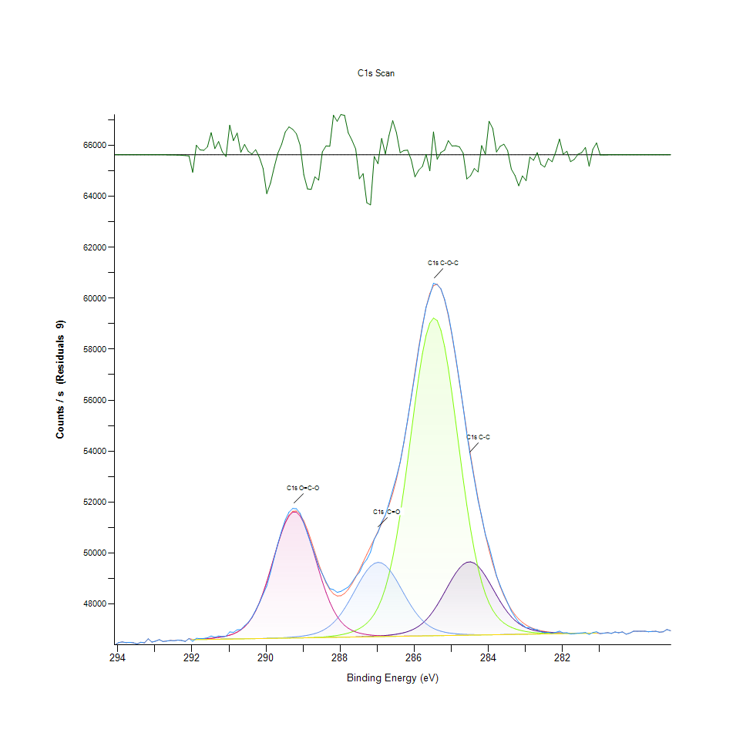
293.68 |  | 46493.9 |  | 0 | 0 | 0 | 0 | 0 | 46493.9 | -0.000105794
293.58 |  | 46475.3 |  | 0 | 0 | 0 | 0 | 0 | 46475.3 | -0.000265646
293.48 |  | 46429.5 |  | 0 | 0 | 0 | 0 | 0 | 46429.5 | -0.000644647
293.38 |  | 46495.1 |  | 0 | 0 | 0 | 0 | 0 | 46495.1 | -0.00151209
293.28 |  | 46474.1 |  | 0 | 0 | 0 | 0 | 0 | 46474.1 | -0.00342876
293.18 |  | 46632.3 |  | 0 | 0 | 0 | 0 | 0 | 46632.3 | -0.00751757
293.08 |  | 46501.2 |  | 0 | 0 | 0 | 0 | 0 | 46501.2 | -0.0159399
292.98 |  | 46538.9 |  | 0 | 0 | 0 | 0 | 0 | 46538.9 | -0.0326932
292.88 |  | 46597.3 |  | 0 | 0 | 0 | 0 | 0 | 46597.4 | -0.0648792
292.78 |  | 46524.1 |  | 0 | 0 | 0 | 0 | 0 | 46524.3 | -0.12461
292.68 |  | 46543.4 |  | 0 | 0 | 0 | 0 | 0 | 46543.7 | -0.231713
292.58 |  | 46566.8 |  | 0 | 0 | 0 | 0 | 0 | 46567.2 | -0.417308
292.48 |  | 46555.5 |  | 0 | 0 | 0 | 0 | 0 | 46556.3 | -0.72823
292.38 |  | 46579.5 |  | 0 | 0 | 0 | 0 | 0 | 46580.8 | -1.232
292.28 |  | 46567.8 |  | 0 | 0 | 0 | 0 | 0 | 46569.8 | -2.02183
292.18 |  | 46527.5 |  | 0 | 0 | 0 | 0 | 0 | 46530.8 | -3.22095
292.08 |  | 46639 |  | 0 | 0 | 0 | 0 | 0 | 46644 | -4.9854
291.98 |  | 46531.6 |  | 46597.6 | 46597.6 | 46597.6 | 46605.1 | 46597.6 | 46605.1 | -73.4591
291.88 |  | 46651.1 |  | 46599.9 | 46599.9 | 46599.9 | 46610.9 | 46599.9 | 46610.9 | 40.1875
291.78 |  | 46638.6 |  | 46602.3 | 46602.3 | 46602.3 | 46618 | 46602.3 | 46618 | 20.5447
291.68 |  | 46645.6 |  | 46604.7 | 46604.7 | 46604.7 | 46626.6 | 46604.7 | 46626.6 | 18.9448
291.58 |  | 46670.5 |  | 46607 | 46607 | 46607 | 46637.1 | 46607 | 46637.1 | 33.3601
291.48 |  | 46742.7 |  | 46609.4 | 46609.4 | 46609.4 | 46649.8 | 46609.4 | 46649.8 | 92.9145
291.38 |  | 46691.1 |  | 46611.8 | 46611.8 | 46611.8 | 46665.3 | 46611.8 | 46665.3 | 25.8552
291.28 |  | 46740 |  | 46614.1 | 46614.1 | 46614.1 | 46684.2 | 46614.1 | 46684.2 | 55.7873
291.18 |  | 46720 |  | 46616.5 | 46616.5 | 46616.5 | 46707.7 | 46616.5 | 46707.8 | 12.2332
291.08 |  | 46730.3 |  | 46618.9 | 46618.9 | 46618.9 | 46737.5 | 46618.9 | 46737.5 | -7.17029
290.98 |  | 46899.8 |  | 46621.2 | 46621.2 | 46621.3 | 46775.7 | 46621.2 | 46775.7 | 124.087
290.88 |  | 46885.4 |  | 46623.6 | 46623.6 | 46623.7 | 46825.9 | 46623.6 | 46825.9 | 59.488
290.78 |  | 46983.9 |  | 46626 | 46626 | 46626.1 | 46892.6 | 46626 | 46892.7 | 91.1712
290.68 |  | 46992.4 |  | 46628.3 | 46628.3 | 46628.6 | 46981.9 | 46628.3 | 46982.1 | 10.2872
290.58 |  | 47145.3 |  | 46630.7 | 46630.7 | 46631.1 | 47101.3 | 46630.7 | 47101.7 | 43.6431
290.48 |  | 47273.9 |  | 46633.1 | 46633.1 | 46633.7 | 47259.1 | 46633.1 | 47259.8 | 14.1059
290.38 |  | 47468.4 |  | 46635.4 | 46635.4 | 46636.5 | 47464.2 | 46635.4 | 47465.3 | 3.14888
290.28 |  | 47747.6 |  | 46637.8 | 46637.8 | 46639.4 | 47724.5 | 46637.8 | 47726.1 | 21.5008
290.18 |  | 48037.2 |  | 46640.2 | 46640.2 | 46642.6 | 48045.4 | 46640.2 | 48047.8 | -10.5417
290.08 |  | 48374.2 |  | 46642.5 | 46642.5 | 46646.1 | 48427.6 | 46642.5 | 48431.2 | -56.9778
289.98 |  | 48707.6 |  | 46644.9 | 46644.9 | 46650 | 48866 | 46644.9 | 48871.1 | -163.45
289.88 |  | 49234.9 |  | 46647.3 | 46647.3 | 46654.4 | 49347.4 | 46647.3 | 49354.5 | -119.63
289.78 |  | 49807.5 |  | 46649.6 | 46649.7 | 46659.4 | 49850.5 | 46649.6 | 49860.3 | -52.8015
289.68 |  | 50367.1 |  | 46652 | 46652.1 | 46665.2 | 50346.9 | 46652 | 50360.1 | 6.91953
289.58 |  | 50864.2 |  | 46654.4 | 46654.5 | 46671.9 | 50803 | 46654.4 | 50820.6 | 43.6164
289.48 |  | 51303 |  | 46656.7 | 46656.9 | 46679.6 | 51183.8 | 46656.7 | 51206.9 | 96.0727
289.38 |  | 51604.7 |  | 46659.1 | 46659.5 | 46688.7 | 51457.7 | 46659.1 | 51487.6 | 117.09
289.28 |  | 51745.8 |  | 46661.5 | 46662.1 | 46699.4 | 51600.3 | 46661.5 | 51638.9 | 106.897
289.18 |  | 51736.9 |  | 46663.8 | 46664.9 | 46712.2 | 51599 | 46663.8 | 51648.4 | 88.524
289.08 |  | 51557.5 |  | 46666.2 | 46667.9 | 46727.6 | 51453.9 | 46666.2 | 51517 | 40.5382
288.98 |  | 51174.9 |  | 46668.6 | 46671.4 | 46746.5 | 51178.7 | 46668.6 | 51259.4 | -84.4576
288.88 |  | 50757.9 |  | 46670.9 | 46675.3 | 46770.1 | 50797.9 | 46670.9 | 50901.5 | -143.562
288.78 |  | 50331.8 |  | 46673.3 | 46680 | 46800.1 | 50343.7 | 46673.3 | 50477.2 | -145.399
288.68 |  | 49931.2 |  | 46675.7 | 46685.7 | 46838.5 | 49850.9 | 46675.7 | 50023.9 | -92.6377
288.58 |  | 49471.1 |  | 46678.1 | 46692.8 | 46888.1 | 49353 | 46678 | 49577.9 | -106.78
288.48 |  | 49183.2 |  | 46680.5 | 46701.6 | 46952.1 | 48878.1 | 46680.4 | 49171 | 12.2351
288.38 |  | 48865.5 |  | 46682.9 | 46712.5 | 47033.9 | 48447.1 | 46682.8 | 48828.1 | 37.3856
288.28 |  | 48601.8 |  | 46685.3 | 46726.1 | 47137.5 | 48072.6 | 46685.1 | 48566 | 35.8041
288.18 |  | 48560.1 |  | 46687.8 | 46742.9 | 47266.1 | 47759.6 | 46687.5 | 48393.9 | 166.218
288.08 |  | 48454.7 |  | 46690.4 | 46763.5 | 47422.6 | 47507.1 | 46689.9 | 48313.9 | 140.852
287.98 |  | 48491.9 |  | 46693 | 46788.7 | 47608.3 | 47309.3 | 46692.2 | 48322.5 | 169.349
287.88 |  | 48577.8 |  | 46695.8 | 46819.4 | 47822.4 | 47158.3 | 46694.6 | 48412.1 | 165.62
287.78 |  | 48663.7 |  | 46698.8 | 46857 | 48061.5 | 47045.4 | 46697 | 48571.9 | 91.8924
287.68 |  | 48849.7 |  | 46702.1 | 46903.2 | 48319.2 | 46962.2 | 46699.3 | 48788.7 | 61.0755
287.58 |  | 49072.7 |  | 46705.7 | 46960.6 | 48585.9 | 46901.2 | 46701.7 | 49048.3 | 24.3688
287.48 |  | 49235.2 |  | 46709.8 | 47032.7 | 48849.5 | 46856.4 | 46704.1 | 49336.3 | -101.075
287.38 |  | 49559.7 |  | 46714.4 | 47124.7 | 49095.8 | 46823.4 | 46706.4 | 49639 | -79.2818
287.28 |  | 49743.6 |  | 46719.7 | 47243.4 | 49309.8 | 46798.8 | 46708.8 | 49945.3 | -201.702
287.18 |  | 50037.1 |  | 46725.7 | 47397.7 | 49477.7 | 46780.3 | 46711.2 | 50248 | -210.806
287.08 |  | 50538.2 |  | 46732.8 | 47599 | 49587.8 | 46766.3 | 46713.5 | 50545.2 | -7.02255
286.98 |  | 50804.2 |  | 46741 | 47860.8 | 49632.1 | 46755.7 | 46715.9 | 50841.9 | -37.7157
286.88 |  | 51218.1 |  | 46750.5 | 48198.4 | 49607.6 | 46747.9 | 46718.3 | 51149.6 | 68.4984
286.78 |  | 51489.9 |  | 46761.9 | 48627.6 | 49516.3 | 46742.3 | 46720.6 | 51486.1 | 3.7965
286.68 |  | 51954.7 |  | 46775.4 | 49163.6 | 49365 | 46738.5 | 46723 | 51873.5 | 81.1968
286.58 |  | 52478.3 |  | 46791.9 | 49818.1 | 49164.7 | 46736.2 | 46725.4 | 52334.8 | 143.452
286.48 |  | 52983.4 |  | 46812.3 | 50597.3 | 48929.1 | 46735.1 | 46727.7 | 52890.5 | 92.9191
286.38 |  | 53562.4 |  | 46837.9 | 51498.4 | 48672.8 | 46735 | 46730.1 | 53553.8 | 8.6164
286.28 |  | 54344.6 |  | 46870.6 | 52507.7 | 48410.3 | 46735.6 | 46732.5 | 54326.8 | 17.8116
286.18 |  | 55217.1 |  | 46912.6 | 53598.5 | 48154.4 | 46736.8 | 46734.8 | 55197.7 | 19.4119
286.08 |  | 56117.5 |  | 46966.7 | 54730.6 | 47915.3 | 46738.4 | 46737.2 | 56139.4 | -21.9222
285.98 |  | 57017.5 |  | 47036.4 | 55852.5 | 47700 | 46740.3 | 46739.6 | 57110.5 | -92.9919
285.88 |  | 57993.4 |  | 47125.3 | 56903.7 | 47512.6 | 46742.3 | 46741.9 | 58058.2 | -64.8528
285.78 |  | 58874.9 |  | 47236.9 | 57821 | 47354.5 | 46744.5 | 46744.3 | 58924 | -49.1077
285.68 |  | 59651.3 |  | 47374.6 | 58543.9 | 47224.6 | 46746.8 | 46746.7 | 59649.9 | 1.43732
285.58 |  | 60117.5 |  | 47540.4 | 59022 | 47120.6 | 46749.1 | 46749 | 60185 | -67.4544
285.48 |  | 60587.9 |  | 47735.1 | 59220.5 | 47039 | 46751.4 | 46751.4 | 60491.7 | 96.1692
285.38 |  | 60531.2 |  | 47956.8 | 59124.7 | 46976.1 | 46753.8 | 46753.8 | 60550.1 | -18.8192
285.28 |  | 60368.9 |  | 48201.1 | 58742.1 | 46928.4 | 46756.1 | 46756.1 | 60359.2 | 9.6414
285.18 |  | 59956 |  | 48460.4 | 58100.9 | 46892.4 | 46758.5 | 46758.5 | 59936.7 | 19.3235
285.08 |  | 59374.3 |  | 48724.1 | 57247.1 | 46865.5 | 46760.9 | 46760.9 | 59315 | 59.2928
284.98 |  | 58573.6 |  | 48979.4 | 56238.4 | 46845.4 | 46763.2 | 46763.2 | 58536.7 | 36.8544
284.88 |  | 57686.8 |  | 49211.8 | 55137.9 | 46830.3 | 46765.6 | 46765.6 | 57648.8 | 37.9623
284.78 |  | 56730.6 |  | 49406.8 | 54007.7 | 46818.9 | 46768 | 46768 | 56697.5 | 33.1512
284.68 |  | 55730.4 |  | 49551.3 | 52902.7 | 46810.4 | 46770.3 | 46770.3 | 55723.7 | 6.70155
284.58 |  | 54659.2 |  | 49635.2 | 51867.2 | 46804 | 46772.7 | 46772.7 | 54760.9 | -101.715
284.48 |  | 53745.7 |  | 49652.3 | 50932.4 | 46799.3 | 46775.1 | 46775.1 | 53833.9 | -88.1345
284.38 |  | 52901.2 |  | 49601.6 | 50116.3 | 46796 | 46777.4 | 46777.4 | 52959.1 | -57.9063
284.28 |  | 52074.3 |  | 49487.1 | 49425.1 | 46793.8 | 46779.8 | 46779.8 | 52146.4 | -72.1303
284.18 |  | 51439.2 |  | 49317.2 | 48855.3 | 46792.6 | 46782.2 | 46782.2 | 51400.7 | 38.4252
284.08 |  | 50725.8 |  | 49104 | 48396.6 | 46792.2 | 46784.5 | 46784.5 | 50723.7 | 2.1387
283.98 |  | 50256 |  | 48861.6 | 48034.8 | 46792.4 | 46786.9 | 46786.9 | 50114.9 | 141.03
283.88 |  | 49683 |  | 48604.5 | 47754.2 | 46793.1 | 46789.3 | 46789.3 | 49573.2 | 109.784
283.78 |  | 49108.3 |  | 48346.5 | 47538.9 | 46794.3 | 46791.6 | 46791.6 | 49096.5 | 11.8572
283.68 |  | 48717.8 |  | 48099.4 | 47375 | 46795.8 | 46794 | 46794 | 48682.1 | 35.7008
283.58 |  | 48371.2 |  | 47871.9 | 47250.2 | 46797.5 | 46796.4 | 46796.4 | 48326.9 | 44.2749
283.48 |  | 48044.9 |  | 47669.9 | 47154.9 | 46799.5 | 46798.7 | 46798.7 | 48026.8 | 18.0961
283.38 |  | 47716.5 |  | 47496.2 | 47081.5 | 46801.6 | 46801.1 | 46801.1 | 47777.1 | -60.6101
283.28 |  | 47484.8 |  | 47351.3 | 47024.4 | 46803.8 | 46803.5 | 46803.5 | 47572.5 | -87.6915
283.18 |  | 47277 |  | 47233.5 | 46979.5 | 46806 | 46805.8 | 46805.8 | 47407.3 | -130.379
283.08 |  | 47186.9 |  | 47140 | 46944 | 46808.3 | 46808.2 | 46808.2 | 47275.8 | -88.9762
282.98 |  | 47063.5 |  | 47067.1 | 46915.8 | 46810.6 | 46810.6 | 46810.6 | 47172.5 | -108.972
282.88 |  | 47082 |  | 47011.4 | 46893.6 | 46813 | 46812.9 | 46812.9 | 47092.1 | -10.1587
282.78 |  | 47007 |  | 46969.3 | 46876.3 | 46815.3 | 46815.3 | 46815.3 | 47030.3 | -23.2215
282.68 |  | 46991.8 |  | 46937.6 | 46863.1 | 46817.7 | 46817.7 | 46817.7 | 46983 | 8.84064
282.58 |  | 46906.4 |  | 46913.9 | 46853.2 | 46820 | 46820 | 46820 | 46947.1 | -40.6791
282.48 |  | 46868.2 |  | 46896.2 | 46846.2 | 46822.4 | 46822.4 | 46822.4 | 46920 | -51.8212
282.38 |  | 46883.5 |  | 46882.9 | 46841.5 | 46824.8 | 46824.8 | 46824.8 | 46899.6 | -16.1082
282.28 |  | 46855 |  | 46872.9 | 46838.6 | 46827.1 | 46827.1 | 46827.1 | 46884.4 | -29.4122
282.18 |  | 46885.8 |  | 46865.4 | 46837.2 | 46829.5 | 46829.5 | 46829.5 | 46873.1 | 12.7083
282.08 |  | 46930.7 |  | 46859.9 | 46836.9 | 46831.9 | 46831.9 | 46831.9 | 46864.9 | 65.7496
281.98 |  | 46861.1 |  | 46855.8 | 46837.5 | 46834.2 | 46834.2 | 46834.2 | 46859.1 | 2.01273
281.88 |  | 46869.8 |  | 46853.1 | 46838.6 | 46836.6 | 46836.6 | 46836.6 | 46855.1 | 14.7437
281.78 |  | 46823.6 |  | 46851.3 | 46840.2 | 46839 | 46839 | 46839 | 46852.6 | -28.9974
281.68 |  | 46831.9 |  | 46850.5 | 46842.1 | 46841.3 | 46841.3 | 46841.3 | 46851.2 | -19.3293
281.58 |  | 46852.9 |  | 46850.3 | 46844.1 | 46843.7 | 46843.7 | 46843.7 | 46850.7 | 2.17985
281.48 |  | 46860.2 |  | 46850.8 | 46846.3 | 46846.1 | 46846.1 | 46846.1 | 46851 | 9.20771
281.38 |  | 46882.6 |  | 46851.7 | 46848.6 | 46848.4 | 46848.4 | 46848.4 | 46851.8 | 30.7778
281.28 |  | 46804.9 |  | 46853 | 46850.9 | 46850.8 | 46850.8 | 46850.8 | 46853.1 | -48.2502
281.18 |  | 46877.7 |  | 46854.7 | 46853.2 | 46853.2 | 46853.2 | 46853.2 | 46854.7 | 22.9837
281.08 |  | 46906.3 |  | 46856.5 | 46855.6 | 46855.5 | 46855.5 | 46855.5 | 46856.5 | 49.8115
280.98 |  | 46836 |  | 0 | 0 | 0 | 0 | 0 | 46836.7 | -0.617864
280.88 |  | 46852.8 |  | 0 | 0 | 0 | 0 | 0 | 46853.2 | -0.381054
280.78 |  | 46873 |  | 0 | 0 | 0 | 0 | 0 | 46873.2 | -0.229378
280.68 |  | 46844.2 |  | 0 | 0 | 0 | 0 | 0 | 46844.4 | -0.1347
280.58 |  | 46897.9 |  | 0 | 0 | 0 | 0 | 0 | 46898 | -0.0771332
280.48 |  | 46867.8 |  | 0 | 0 | 0 | 0 | 0 | 46867.8 | -0.043054
280.38 |  | 46902.3 |  | 0 | 0 | 0 | 0 | 0 | 46902.3 | -0.0234177
280.28 |  | 46812.5 |  | 0 | 0 | 0 | 0 | 0 | 46812.6 | -0.0124083
280.18 |  | 46856.8 |  | 0 | 0 | 0 | 0 | 0 | 46856.8 | -0.00640342
280.08 |  | 46931.6 |  | 0 | 0 | 0 | 0 | 0 | 46931.6 | -0.00321777
279.98 |  | 46925.2 |  | 0 | 0 | 0 | 0 | 0 | 46925.3 | -0.0015742
279.88 |  | 46925.2 |  | 0 | 0 | 0 | 0 | 0 | 46925.2 | -0.000749645
279.78 |  | 46930.5 |  | 0 | 0 | 0 | 0 | 0 | 46930.5 | -0.000347443
279.68 |  | 46908.3 |  | 0 | 0 | 0 | 0 | 0 | 46908.3 | -0.000156706
279.58 |  | 46919.2 |  | 0 | 0 | 0 | 0 | 0 | 46919.2 | -6.88E-05
279.48 |  | 46927 |  | 0 | 0 | 0 | 0 | 0 | 46927 | -2.94E-05
279.38 |  | 46890.4 |  | 0 | 0 | 0 | 0 | 0 | 46890.4 | -1.22E-05
279.28 |  | 46907 |  | 0 | 0 | 0 | 0 | 0 | 46907 | -4.93E-06
279.18 |  | 46997.9 |  | 0 | 0 | 0 | 0 | 0 | 46997.9 | -1.94E-06
279.08 |  | 46947.8 |  | 0 | 0 | 0 | 0 | 0 | 46947.8 | -7.41E-07

Au4f Scan
 |  |  |  |  |  | Acquisition Parameters :

 |  |  |  |  |  | Parameter
 |  |  |  |  |  | Total acquisition time | 10.1 secs
 |  |  |  |  |  | Number of Scans | 1
﻿ |  |  |  |  |  | Source Gun Type | Al K Alpha
Axis | Energy | Elements= | 201 |  |  | Spot Size | 400 µm
 |  |  |  |  |  | Lens Mode | Standard
C:\Users\gwilh\OneDrive - Imperial College London\Documents\MEGAsync\Experiment\24c22_Lin_ShiYang\E P-OH-COOH wiB.DATA\Au4f Scan_0.VGD |  |  |  |  |  | Analyser Mode | CAE : Pass Energy 35.0 eV
 |  |  |  |  |  | Energy Step Size | 0.100 eV
 |  |  |  |  |  | Number of Energy Steps | 201

Binding Energy (E) |  |  |  | Au4f7 Scan A | Au4f5 Scan A | Backgnd. | Envelope | Residuals
eV |  | Counts / s |  | Counts / s | Counts / s | Counts / s | Counts / s | Counts / s (Residuals 4)
99.08 |  | 67638.2 |  | 0 | 0 | 0 | 67638.2 | 0
98.98 |  | 67614.6 |  | 0 | 0 | 0 | 67614.6 | 0
98.88 |  | 67630.8 |  | 0 | 0 | 0 | 67630.8 | 0
98.78 |  | 67492.8 |  | 0 | 0 | 0 | 67492.8 | 0
98.68 |  | 67426.2 |  | 0 | 0 | 0 | 67426.2 | 0
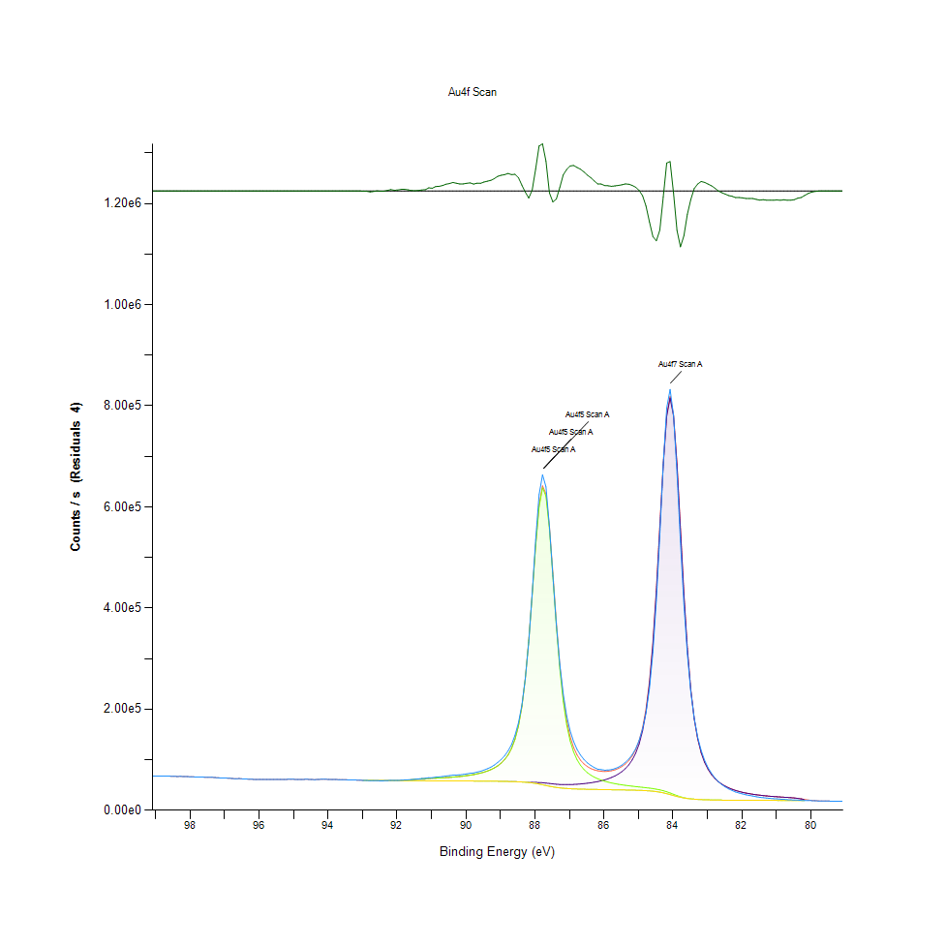
98.58 |  | 67371.2 |  | 0 | 0 | 0 | 67371.2 | 0
98.48 |  | 67301.4 |  | 0 | 0 | 0 | 67301.4 | 0
98.38 |  | 66805.2 |  | 0 | 0 | 0 | 66805.2 | 0
98.28 |  | 66974.9 |  | 0 | 0 | 0 | 66974.9 | 0
98.18 |  | 66660 |  | 0 | 0 | 0 | 66660 | 0
98.08 |  | 66607.3 |  | 0 | 0 | 0 | 66607.3 | 0
97.98 |  | 66249 |  | 0 | 0 | 0 | 66249 | 0
97.88 |  | 65989.2 |  | 0 | 0 | 0 | 65989.2 | 0
97.78 |  | 65689.8 |  | 0 | 0 | 0 | 65689.8 | 0
97.68 |  | 65873.6 |  | 0 | 0 | 0 | 65873.6 | 0
97.58 |  | 65323.6 |  | 0 | 0 | 0 | 65323.6 | 0
97.48 |  | 65276.5 |  | 0 | 0 | 0 | 65276.5 | 0
97.38 |  | 65354.2 |  | 0 | 0 | 0 | 65354.2 | 0
97.28 |  | 64661.6 |  | 0 | 0 | 0 | 64661.6 | 0
97.18 |  | 64182.6 |  | 0 | 0 | 0 | 64182.6 | 0
97.08 |  | 63700 |  | 0 | 0 | 0 | 63700 | 0
96.98 |  | 63632.1 |  | 0 | 0 | 0 | 63632.1 | 0
96.88 |  | 63404.7 |  | 0 | 0 | 0 | 63404.7 | 0
96.78 |  | 62787.1 |  | 0 | 0 | 0 | 62787.1 | 0
96.68 |  | 62257.4 |  | 0 | 0 | 0 | 62257.4 | 0
96.58 |  | 62690 |  | 0 | 0 | 0 | 62690 | 0
96.48 |  | 62042.2 |  | 0 | 0 | 0 | 62042.2 | 0
96.38 |  | 61925.8 |  | 0 | 0 | 0 | 61925.8 | 0
96.28 |  | 61320.7 |  | 0 | 0 | 0 | 61320.7 | 0
96.18 |  | 61143.2 |  | 0 | 0 | 0 | 61143.2 | 0
96.08 |  | 60825.7 |  | 0 | 0 | 0 | 60825.7 | 0
95.98 |  | 61196.2 |  | 0 | 0 | 0 | 61196.2 | 0
95.88 |  | 61017.6 |  | 0 | 0 | 0 | 61017.6 | 0
95.78 |  | 60891 |  | 0 | 0 | 0 | 60891 | 0
95.68 |  | 60864.9 |  | 0 | 0 | 0 | 60864.9 | 0
95.58 |  | 60981.9 |  | 0 | 0 | 0 | 60981.9 | 0
95.48 |  | 61183.2 |  | 0 | 0 | 0 | 61183.2 | 0
95.38 |  | 61075.8 |  | 0 | 0 | 0 | 61075.8 | 0
95.28 |  | 60911.6 |  | 0 | 0 | 0 | 60911.6 | 0
95.18 |  | 61220.2 |  | 0 | 0 | 0 | 61220.2 | 0
95.08 |  | 61217.2 |  | 0 | 0 | 0 | 61217.2 | 0
94.98 |  | 61177.3 |  | 0 | 0 | 0 | 61177.3 | 0
94.88 |  | 60744.6 |  | 0 | 0 | 0 | 60744.6 | 0
94.78 |  | 60829.6 |  | 0 | 0 | 0 | 60829.6 | 0
94.68 |  | 61170.8 |  | 0 | 0 | 0 | 61170.8 | 0
94.58 |  | 61189.1 |  | 0 | 0 | 0 | 61189.1 | 0
94.48 |  | 60768.8 |  | 0 | 0 | 0 | 60768.8 | 0
94.38 |  | 60511.9 |  | 0 | 0 | 0 | 60511.9 | 0
94.28 |  | 61014.7 |  | 0 | 0 | 0 | 61014.7 | 0
94.18 |  | 61262.2 |  | 0 | 0 | 0 | 61262.2 | 0
94.08 |  | 61296.1 |  | 0 | 0 | 0 | 61296.1 | 0
93.98 |  | 60987.4 |  | 0 | 0 | 0 | 60987.4 | 0
93.88 |  | 60721.1 |  | 0 | 0 | 0 | 60721.1 | 0
93.78 |  | 60781.5 |  | 0 | 0 | 0 | 60781.5 | 0
93.68 |  | 60563.4 |  | 0 | 0 | 0 | 60563.4 | 0
93.58 |  | 60545.8 |  | 0 | 0 | 0 | 60545.8 | 0
93.48 |  | 60307.4 |  | 0 | 0 | 0 | 60307.4 | 0
93.38 |  | 59960.6 |  | 0 | 0 | 0 | 59960.6 | 0
93.28 |  | 59887.1 |  | 0 | 0 | 0 | 59887.1 | 0
93.18 |  | 59730.7 |  | 0 | 0 | 0 | 59730.7 | -2.73E-10
93.08 |  | 59466.2 |  | 0 | 0 | 0 | 59466.2 | -3.27E-09
92.98 |  | 58961.7 |  | 59105.8 | 59105.8 | 59105.8 | 59105.8 | -144.089
92.88 |  | 58885.9 |  | 59020.9 | 59020.9 | 59020.9 | 59020.9 | -135.059
92.78 |  | 58484.4 |  | 58949.6 | 58949.6 | 58949.6 | 58949.6 | -465.174
92.68 |  | 58525.1 |  | 58752 | 58752 | 58752 | 58752 | -226.858
92.58 |  | 58424.8 |  | 58381.4 | 58381.4 | 58381.4 | 58381.4 | 43.3326
92.48 |  | 58213.7 |  | 58375.3 | 58375.3 | 58375.3 | 58375.3 | -161.626
92.38 |  | 58259.1 |  | 58369 | 58369.4 | 58369 | 58369.4 | -110.333
92.28 |  | 58608.3 |  | 58362.4 | 58364.7 | 58362.4 | 58364.7 | 243.584
92.18 |  | 59007.5 |  | 58355.6 | 58366.6 | 58355.6 | 58366.6 | 640.964
92.08 |  | 58729.6 |  | 58348.4 | 58390.9 | 58348.4 | 58390.9 | 338.758
91.98 |  | 58915.9 |  | 58340.5 | 58475 | 58340.5 | 58475 | 440.854
91.88 |  | 59426.3 |  | 58331.8 | 58681.6 | 58331.8 | 58681.6 | 744.709
91.78 |  | 59823.9 |  | 58322.5 | 59075.4 | 58322.5 | 59075.4 | 748.504
91.68 |  | 60195.5 |  | 58312.2 | 59673.2 | 58312.2 | 59673.2 | 522.347
91.58 |  | 60587.3 |  | 58300.5 | 60404.6 | 58300.5 | 60404.6 | 182.689
91.48 |  | 61275.5 |  | 58287.4 | 61137.7 | 58287.4 | 61137.7 | 137.78
91.38 |  | 61963.3 |  | 58272.7 | 61757.5 | 58272.7 | 61757.5 | 205.794
91.28 |  | 62705.9 |  | 58256.4 | 62227.4 | 58256.4 | 62227.4 | 478.458
91.18 |  | 63176.1 |  | 58238 | 62582.1 | 58238 | 62582.1 | 593.964
91.08 |  | 64337.6 |  | 58217.9 | 62881.2 | 58217.9 | 62881.2 | 1456.39
90.98 |  | 64436.6 |  | 58195.8 | 63170.9 | 58195.8 | 63170.9 | 1265.67
90.88 |  | 65514.3 |  | 58171.9 | 63477.1 | 58171.9 | 63477.1 | 2037.23
90.78 |  | 65974.8 |  | 58146 | 63811.6 | 58146 | 63811.6 | 2163.21
90.68 |  | 66696.9 |  | 58118.3 | 64181.7 | 58118.3 | 64181.7 | 2515.2
90.58 |  | 67728.1 |  | 58088.3 | 64592.9 | 58088.3 | 64592.9 | 3135.22
90.48 |  | 68492.4 |  | 58056 | 65052.1 | 58056 | 65052.1 | 3440.29
90.38 |  | 69508 |  | 58021.7 | 65567.2 | 58021.7 | 65567.2 | 3940.79
90.28 |  | 69721.7 |  | 57985.5 | 66148 | 57985.5 | 66148 | 3573.69
90.18 |  | 70062.1 |  | 57947.5 | 66806.4 | 57947.5 | 66806.4 | 3255.78
90.08 |  | 70845.4 |  | 57907.6 | 67556.2 | 57907.6 | 67556.2 | 3289.19
89.98 |  | 71969.2 |  | 57865.6 | 68415.1 | 57865.6 | 68415.1 | 3554.17
89.88 |  | 73150.9 |  | 57821.3 | 69404.7 | 57821.3 | 69404.7 | 3746.19
89.78 |  | 73736.9 |  | 57774.1 | 70552.2 | 57774.1 | 70552.2 | 3184.66
89.68 |  | 75508.5 |  | 57723.4 | 71892.4 | 57723.4 | 71892.4 | 3616.05
89.58 |  | 77000.2 |  | 57668.6 | 73470.5 | 57668.6 | 73470.5 | 3529.76
89.48 |  | 79485.2 |  | 57608.9 | 75345.6 | 57608.9 | 75345.6 | 4139.59
89.38 |  | 82126.1 |  | 57543 | 77596.5 | 57543 | 77596.5 | 4529.56
89.28 |  | 85256.1 |  | 57469.6 | 80330.7 | 57469.6 | 80330.7 | 4925.42
89.18 |  | 89406.7 |  | 57386.7 | 83696.8 | 57386.7 | 83696.8 | 5709.86
89.08 |  | 94681.8 |  | 57292.4 | 87907.2 | 57292.4 | 87907.2 | 6774.61
88.98 |  | 100572 |  | 57184.4 | 93271.5 | 57184.4 | 93271.5 | 7300.01
88.88 |  | 107830 |  | 57059.1 | 100255 | 57059.1 | 100255 | 7574.56
88.78 |  | 117706 |  | 56912.2 | 109580 | 56912.1 | 109580 | 8126.42
88.68 |  | 129965 |  | 56737.3 | 122390 | 56736.6 | 122391 | 7574.52
88.58 |  | 148263 |  | 56526.8 | 140517 | 56522.6 | 140522 | 7741.85
88.48 |  | 172983 |  | 56274.7 | 166799 | 56255.5 | 166818 | 6164.9
88.38 |  | 207979 |  | 55984.9 | 205233 | 55912.9 | 205305 | 2674.06
88.28 |  | 260071 |  | 55682.5 | 260372 | 55463.3 | 260591 | -520.503
88.18 |  | 332358 |  | 55414.4 | 335092 | 54865.6 | 335641 | -3283.33
88.08 |  | 428110 |  | 55217.6 | 426549 | 54076.7 | 427690 | 419.396
87.98 |  | 534373 |  | 55064.8 | 522241 | 53067.4 | 524238 | 10134.3
87.88 |  | 624225 |  | 54847.4 | 600391 | 51843.9 | 603394 | 20830.6
87.78 |  | 663501 |  | 54434.7 | 637664 | 50456 | 641643 | 21858
87.68 |  | 639756 |  | 53781.5 | 621193 | 48995.2 | 625980 | 13776.2
87.58 |  | 560723 |  | 52967.4 | 556231 | 47567.9 | 561630 | -907.016
87.48 |  | 463789 |  | 52148.5 | 463005 | 46271.7 | 468882 | -5092.93
87.38 |  | 368005 |  | 51465.5 | 365454 | 45169 | 371751 | -3746.24
87.28 |  | 289031 |  | 50993.6 | 280740 | 44278.5 | 287455 | 1576.05
87.18 |  | 230289 |  | 50744.1 | 215673 | 43582.2 | 222835 | 7454.33
87.08 |  | 186909 |  | 50696.5 | 169309 | 43045.1 | 176961 | 9948.47
86.98 |  | 157160 |  | 50820.8 | 137382 | 42628.4 | 145574 | 11586.2
86.88 |  | 136044 |  | 51092.1 | 115429 | 42299.3 | 124222 | 11822.4
86.78 |  | 120416 |  | 51494.9 | 100039 | 42032.9 | 109501 | 10915.1
86.68 |  | 109248 |  | 52022 | 88935.5 | 41811.2 | 99146.3 | 10101.3
86.58 |  | 100578 |  | 52674.8 | 80681.1 | 41622.2 | 91733.7 | 8844.66
86.48 |  | 93729.8 |  | 53461 | 74375.6 | 41457.6 | 86378.9 | 7350.85
86.38 |  | 88654.7 |  | 54394.4 | 69443.7 | 41311.4 | 82526.7 | 6127.93
86.28 |  | 84488 |  | 55495.4 | 65507.8 | 41179.6 | 79823.7 | 4664.35
86.18 |  | 81296.2 |  | 56790.6 | 62310.8 | 41058 | 78043.4 | 3252.78
86.08 |  | 80264.2 |  | 58315.7 | 59673.7 | 40943.8 | 77045.7 | 3218.55
85.98 |  | 79271.5 |  | 60117.4 | 57468 | 40834 | 76751.4 | 2520.05
85.88 |  | 79534.4 |  | 62257.4 | 55599.4 | 40726.1 | 77130.7 | 2403.76
85.78 |  | 80363.9 |  | 64817.4 | 53996.9 | 40617.3 | 78196.9 | 2166.97
85.68 |  | 82358.1 |  | 67908.4 | 52606.8 | 40505.7 | 80009.6 | 2348.56
85.58 |  | 85246.8 |  | 71682.1 | 51386.9 | 40388.5 | 82680.5 | 2566.28
85.48 |  | 89252.3 |  | 76350.3 | 50303.6 | 40263.1 | 86390.8 | 2861.57
85.38 |  | 94659.2 |  | 82216.3 | 49329.3 | 40126.3 | 91419.3 | 3239.87
85.28 |  | 101323 |  | 89726 | 48441.1 | 39974.7 | 98192.4 | 3130.37
85.18 |  | 109949 |  | 99553.4 | 47618.7 | 39803.6 | 107369 | 2580.17
85.08 |  | 121722 |  | 112749 | 46842.9 | 39606.4 | 119985 | 1736.78
84.98 |  | 137978 |  | 130986 | 46093.9 | 39374 | 137706 | 272.02
84.88 |  | 160997 |  | 156932 | 45349.5 | 39092.5 | 163189 | -2191.86
84.78 |  | 193498 |  | 194673 | 44581.9 | 38741.7 | 200513 | -7015.55
84.68 |  | 240894 |  | 249797 | 43753.6 | 38289.9 | 255260 | -14366.3
84.58 |  | 312208 |  | 328253 | 42812.9 | 37691.9 | 333374 | -21166.1
84.48 |  | 414576 |  | 432873 | 41694.4 | 36891.3 | 437677 | -23100.1
84.38 |  | 543998 |  | 557686 | 40322.6 | 35831 | 562177 | -18179.4
84.28 |  | 684676 |  | 683300 | 38626.7 | 34476.8 | 687450 | -2773.33
84.18 |  | 795865 |  | 779178 | 36568.1 | 32846.2 | 782899 | 12965.5
84.08 |  | 832448 |  | 815666 | 34174.3 | 31019.3 | 818821 | 13626.9
83.98 |  | 781261 |  | 779892 | 31572.5 | 29123.5 | 782341 | -1080.57
83.88 |  | 666912 |  | 683533 | 28990.9 | 27303.8 | 685220 | -18307.2
83.78 |  | 530938 |  | 555833 | 26687.9 | 25683.7 | 556837 | -25899.6
83.68 |  | 407530 |  | 427817 | 24840.1 | 24334.4 | 428323 | -20793.4
83.58 |  | 309111 |  | 319733 | 23481.2 | 23269.1 | 319945 | -10834.5
83.48 |  | 234288 |  | 238220 | 22529.1 | 22455.8 | 238293 | -4005.28
83.38 |  | 181867 |  | 180712 | 21864.2 | 21843.5 | 180733 | 1133.94
83.28 |  | 144452 |  | 141231 | 21386.3 | 21381.5 | 141236 | 3215.95
83.18 |  | 118443 |  | 114037 | 21029.6 | 21028.8 | 114038 | 4404.2
83.08 |  | 98880.3 |  | 94894.2 | 20754.1 | 20754 | 94894.3 | 3985.92
82.98 |  | 84204.9 |  | 81019.7 | 20535.7 | 20535.6 | 81019.7 | 3185.22
82.88 |  | 73076.6 |  | 70665.8 | 20359 | 20359 | 70665.8 | 2410.79
82.78 |  | 64006.3 |  | 62735.1 | 20214.5 | 20214.5 | 62735.1 | 1271.17
82.68 |  | 56493.9 |  | 56522.8 | 20094.9 | 20094.9 | 56522.8 | -28.9107
82.58 |  | 50773 |  | 51562.9 | 19995 | 19995 | 51562.9 | -789.901
82.48 |  | 46061.8 |  | 47538.1 | 19911.1 | 19911.1 | 47538.1 | -1476.33
82.38 |  | 42093.9 |  | 44226 | 19840.2 | 19840.2 | 44226 | -2132.05
82.28 |  | 39002 |  | 41466.8 | 19779.8 | 19779.8 | 41466.8 | -2464.79
82.18 |  | 36052.7 |  | 39143.2 | 19728.1 | 19728.1 | 39143.2 | -3090.51
82.08 |  | 34126 |  | 37167.9 | 19683.4 | 19683.4 | 37167.9 | -3041.82
81.98 |  | 32257.4 |  | 35474.2 | 19644.8 | 19644.8 | 35474.2 | -3216.76
81.88 |  | 30509.1 |  | 34010.9 | 19611.1 | 19611.1 | 34010.9 | -3501.87
81.78 |  | 29215.4 |  | 32737.9 | 19581.6 | 19581.6 | 32737.9 | -3522.46
81.68 |  | 28112.3 |  | 31623.6 | 19555.9 | 19555.9 | 31623.6 | -3511.3
81.58 |  | 26741.8 |  | 30643 | 19533.6 | 19533.6 | 30643 | -3901.19
81.48 |  | 25518.8 |  | 29775.5 | 19514.2 | 19514.2 | 29775.5 | -4256.65
81.38 |  | 24942.3 |  | 29004.4 | 19497.5 | 19497.5 | 29004.4 | -4062.12
81.28 |  | 24045.3 |  | 28316.2 | 19483.2 | 19483.2 | 28316.2 | -4270.97
81.18 |  | 23444 |  | 27699.4 | 19470.9 | 19470.9 | 27699.4 | -4255.45
81.08 |  | 22876.7 |  | 27144.2 | 19460.1 | 19460.1 | 27144.2 | -4267.57
80.98 |  | 22476.9 |  | 26642.6 | 19451 | 19451 | 26642.6 | -4165.64
80.88 |  | 21861 |  | 26185.4 | 19443 | 19443 | 26185.4 | -4324.37
80.78 |  | 21671.7 |  | 25759.1 | 19436.4 | 19436.4 | 25759.1 | -4087.4
80.68 |  | 20995.8 |  | 25335.3 | 19430.9 | 19430.9 | 25335.3 | -4339.53
80.58 |  | 20596.9 |  | 24859.6 | 19426.6 | 19426.6 | 24859.6 | -4262.65
80.48 |  | 20192.9 |  | 24253.9 | 19423.2 | 19423.2 | 24253.9 | -4060.99
80.38 |  | 20098.6 |  | 23456.8 | 19421 | 19421 | 23456.8 | -3358.15
80.28 |  | 19446.1 |  | 22487.4 | 19419.3 | 19419.3 | 22487.4 | -3041.28
80.18 |  | 19366.8 |  | 21476.5 | 19418 | 19418 | 21476.5 | -2109.68
80.08 |  | 19197 |  | 0 | 0 | 0 | 20384.9 | -1187.89
79.98 |  | 18981.2 |  | 0 | 0 | 0 | 19559.2 | -578.004
79.88 |  | 18835.5 |  | 0 | 0 | 0 | 19069.2 | -233.706
79.78 |  | 18470.9 |  | 0 | 0 | 0 | 18548.6 | -77.6986
79.68 |  | 18393.9 |  | 0 | 0 | 0 | 18415 | -21.08
79.58 |  | 18260.6 |  | 0 | 0 | 0 | 18265.3 | -4.64162
79.48 |  | 18162.4 |  | 0 | 0 | 0 | 18163.2 | -0.826186
79.38 |  | 17826.2 |  | 0 | 0 | 0 | 17826.3 | -0.118528
79.28 |  | 17605.3 |  | 0 | 0 | 0 | 17605.3 | -0.0136756
79.18 |  | 17873.1 |  | 0 | 0 | 0 | 17873.1 | -0.00126688
79.08 |  | 17588.4 |  | 0 | 0 | 0 | 17588.4 | -9.41E-05

